Dashboard
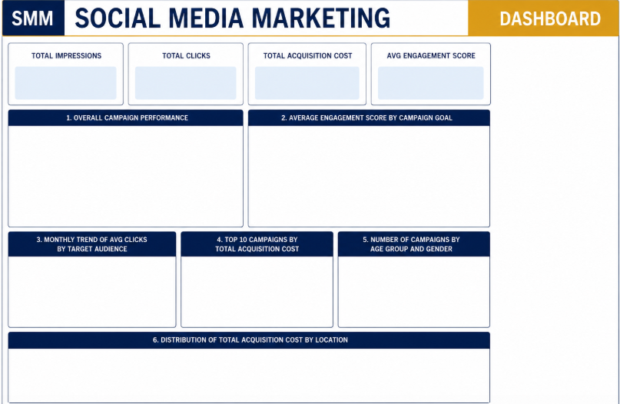

498236599
69017640.57
161439543
4.357630979

 | Sum of Clicks | Sum of Acquisition_Cost | Sum of Impressions
282900 | 72154 | 27611.77 | 216761
294451 | 57226 | 21663.42 | 172545
295722 | 72174 | 27471.83 | 216821
419542 | 57185 | 21918.72 | 172423
447702 | 62112 | 23567.97 | 187017
635599 | 55499 | 21029.7 | 167430
656260 | 68852 | 26340.05 | 206982
702202 | 60785 | 22984.48 | 183086
750327 | 54784 | 20850.32 | 165310
843176 | 63971 | 24539.45 | 192522
Average Engagement Score by Campaign Goal
 | Total
Increase Sales | 4.4227496641
Market Expansion | 4.3758573388
Brand Awareness | 4.3308035714
Product Launch | 4.2985849057

Number of Campaigns by Age Group and Gender
 | Men | Women
18-24 | 964 | 988
25-34 | 1002 | 953
35-44 | 1013 | 993
45-60 | 950 | 925
Monthly Trend of Average Clicks by Target Audience
 | Men - 18-24 | Men - 25-34 | Men - 35-44 | Men - 45-60 | Women - 18-24 | Women - 25-34 | Women - 35-44 | Women - 45-60
Jun | 19578.798561 | 17758.1125 | 16811.986486 | 18749.340741 | 17416.056338 | 19989.230769 | 19834.514706 | 18001.198529
Jul | 16552.620155 | 17870.342657 | 18161.755396 | 19202.347107 | 18255.75 | 17941.817518 | 19783.309677 | 18098.540146
Aug | 19263.590604 | 17637.067568 | 16523.662162 | 18161.374194 | 20790.624113 | 18728 | 17841.392638 | 16774.522581
Sep | 20411.463768 | 17753.587302 | 18286.942623 | 20233.707317 | 18460.622378 | 17989.689655 | 16435.955556 | 18063.593985
Oct | 17984.048 | 20054.013986 | 19452.320261 | 17500.151724 | 19197.433071 | 19040.803922 | 19673.834586 | 16121.009009
Nov | 16894.423077 | 16516.513699 | 18510.051948 | 20228.294964 | 18657.047297 | 19731.590278 | 17804.829787 | 17023.369748
Dec | 19249.357143 | 18837.007353 | 20582.503356 | 16957.25 | 17896.384615 | 17738.48227 | 17957.630769 | 19100.813433
Top 10 Campaigns by Total Acquisition Cost
 | Total
635599 | 21029.7
267999 | 21122.06
294451 | 21663.42
419542 | 21918.72
702202 | 22984.48
447702 | 23567.97
843176 | 24539.45
656260 | 26340.05
295722 | 27471.83
282900 | 27611.77

Total Acquisition Cost by Location
 | Total
Las Vegas | 14414665.14
Miami | 14003729.83
New York | 13696969.76
Austin | 13510620.99
Los Angeles | 13391654.85

Sheet1
Row Labels | Sum of Clicks | Sum of Acquisition_Cost | Sum of Impressions
282900 | 72154 | 27611.77 | 216761
294451 | 57226 | 21663.42 | 172545
295722 | 72174 | 27471.83 | 216821
419542 | 57185 | 21918.72 | 172423
447702 | 62112 | 23567.97 | 187017
635599 | 55499 | 21029.7 | 167430
656260 | 68852 | 26340.05 | 206982
702202 | 60785 | 22984.48 | 183086
750327 | 54784 | 20850.32 | 165310
843176 | 63971 | 24539.45 | 192522
Grand Total | 624742 | 237977.71 | 1880897

Average Engagement Score by Campaign Goal
 |  |  |  |  |  |  |  |  |  |  |  |  |  | Average of Clicks | Column Labels
 |  |  |  | Row Labels | Average of Engagement_Score |  |  |  |  |  |  |  |  |  | 18-24 |  | 25-34 |  | 35-44 |  | 45-60 |  | Not Specified | Grand Total
 |  |  |  | Increase Sales | 4.4227496641 |  |  |  |  |  |  |  |  | Row Labels | Men | Women | Men | Women | Men | Women | Men | Women | All
 |  |  |  | Market Expansion | 4.3758573388 |  |  |  |  |  |  |  |  | Jun | 19578.798561 | 17416.056338 | 17758.1125 | 19989.230769 | 16811.986486 | 19834.514706 | 18749.340741 | 18001.198529 | 17787.948387 | 18356.043825
 |  |  |  | Brand Awareness | 4.3308035714 |  |  |  |  |  |  |  |  | Jul | 16552.620155 | 18255.75 | 17870.342657 | 17941.817518 | 18161.755396 | 19783.309677 | 19202.347107 | 18098.540146 | 18922.432624 | 18330.295345
 |  |  |  | Product Launch | 4.2985849057 |  |  |  |  |  |  |  |  | Aug | 19263.590604 | 20790.624113 | 17637.067568 | 18728 | 16523.662162 | 17841.392638 | 18161.374194 | 16774.522581 | 18869.278788 | 18263.189209
 |  |  |  | Grand Total | 4.3576309795 |  |  |  |  |  |  |  |  | Sep | 20411.463768 | 18460.622378 | 17753.587302 | 17989.689655 | 18286.942623 | 16435.955556 | 20233.707317 | 18063.593985 | 19285.642857 | 18533.303107
 |  |  |  |  |  |  |  |  |  |  |  |  |  | Oct | 17984.048 | 19197.433071 | 20054.013986 | 19040.803922 | 19452.320261 | 19673.834586 | 17500.151724 | 16121.009009 | 17768.162963 | 18600.43102
 |  |  |  |  |  |  |  |  |  |  |  |  |  | Nov | 16894.423077 | 18657.047297 | 16516.513699 | 19731.590278 | 18510.051948 | 17804.829787 | 20228.294964 | 17023.369748 | 17093.212329 | 18077.687451
 |  |  |  |  |  |  |  |  |  |  |  |  |  | Dec | 19249.357143 | 17896.384615 | 18837.007353 | 17738.48227 | 20582.503356 | 17957.630769 | 16957.25 | 19100.813433 | 18582.653226 | 18575.979887
 |  |  |  |  |  |  |  |  |  |  |  |  |  | Grand Total | 18622.904564 | 18655.62247 | 18048.865269 | 18695.743966 | 18344.237907 | 18481.874119 | 18680.016842 | 17626.912432 | 18313.686492 | 18387.191686

 |  |  |  | Average of Clicks | Column Labels
 |  |  |  |  | Men |  |  |  | Women |  |  |  | Grand Total
 |  |  |  | Row Labels | 18-24 | 25-34 | 35-44 | 45-60 | 18-24 | 25-34 | 35-44 | 45-60
 |  |  |  | Jun | 19578.798561 | 17758.1125 | 16811.986486 | 18749.340741 | 17416.056338 | 19989.230769 | 19834.514706 | 18001.198529 | 18436.093636
 |  |  |  | Jul | 16552.620155 | 17870.342657 | 18161.755396 | 19202.347107 | 18255.75 | 17941.817518 | 19783.309677 | 18098.540146 | 18254.737557
 |  |  |  | Aug | 19263.590604 | 17637.067568 | 16523.662162 | 18161.374194 | 20790.624113 | 18728 | 17841.392638 | 16774.522581 | 18179.010101
 |  |  |  | Sep | 20411.463768 | 17753.587302 | 18286.942623 | 20233.707317 | 18460.622378 | 17989.689655 | 16435.955556 | 18063.593985 | 18444.293897
 |  |  |  | Oct | 17984.048 | 20054.013986 | 19452.320261 | 17500.151724 | 19197.433071 | 19040.803922 | 19673.834586 | 16121.009009 | 18703.510092
 |  |  |  | Nov | 16894.423077 | 16516.513699 | 18510.051948 | 20228.294964 | 18657.047297 | 19731.590278 | 17804.829787 | 17023.369748 | 18205.906334
 |  |  |  | Dec | 19249.357143 | 18837.007353 | 20582.503356 | 16957.25 | 17896.384615 | 17738.48227 | 17957.630769 | 19100.813433 | 18575.240393
 |  |  |  | Grand Total | 18622.904564 | 18048.865269 | 18344.237907 | 18680.016842 | 18655.62247 | 18695.743966 | 18481.874119 | 17626.912432 | 18396.554443

Monthly Trend of Average Clicks by Target Audience

Top 10 Campaigns by Total Acquisition Cost
 |  |  |  | Row Labels | Sum of Acquisition_Cost
 |  |  |  | 635599 | 21029.7
 |  |  |  | 267999 | 21122.06
 |  |  |  | 294451 | 21663.42
 |  |  |  | 419542 | 21918.72
 |  |  |  | 702202 | 22984.48
 |  |  |  | 447702 | 23567.97
 |  |  |  | 843176 | 24539.45
 |  |  |  | 656260 | 26340.05
 |  |  |  | 295722 | 27471.83
 |  |  |  | 282900 | 27611.77
 |  |  |  | Grand Total | 238249.45

 |  |  |  | Count of Campaign_ID | Column Labels
 |  |  |  | Row Labels | Men | Women | Grand Total
 |  |  |  | 18-24 | 964 | 988 | 1952
 |  |  |  | 25-34 | 1002 | 953 | 1955
 |  |  |  | 35-44 | 1013 | 993 | 2006
 |  |  |  | 45-60 | 950 | 925 | 1875
 |  |  |  | Grand Total | 3929 | 3859 | 7788

Number of Campaigns by Age Group and Gender

 |  |  |  | Row Labels | Sum of Acquisition_Cost
 |  |  |  | Las Vegas | 14414665.14
 |  |  |  | Miami | 14003729.83
 |  |  |  | New York | 13696969.76
 |  |  |  | Austin | 13510620.99
 |  |  |  | Los Angeles | 13391654.85
 |  |  |  | Grand Total | 69017640.57

Total Acquisition Cost by Location

 |  |  |  | Sum of Impressions |  | Sum of Clicks |  | Sum of Acquisition_Cost |  | Average of Engagement_Score
 |  |  |  | 498236599 |  | 161439543 |  | 69017640.57 |  | 4.3576309795

 |  |  |  | 498236599 |  | 161439543 |  | 69017640.57 |  | 4.3576309795

